TFs
TF/DNA Binding | Condition | Binding Site Sequence | Details | Interactions
AIM2 | RSV Gamma | Sequence non-specific binding to foreign/damaged DNA and/or DNA in the cytosol [Lugrin and Martinon, 2017] | Type I IFN --> AIM2 mediated inflammasome formation to recuit and activate caspases. AIM2 is composed an N-terminal pyrin domain (PYD) and a C-terminal HIN domain. Both domains interact to keep the molecule auto-inhibited. Upon binding of dsDNA auto-inhibition is released leading to AIM2 oligomerization and the recruitment of the adaptor ASC via PYDPYD interactions. ASC recruitment leads to polymerization of the ASC protein leading to the formation of fibrilar super-structures. Caspase-1 is recruited to the complex via CARD-CARD interactions. Its oligomerization on the complex promotes its activity leading to the proteolytic maturation of caspase-1 substrates such as the IL-1β precursor (pro-IL-1β) that is processed into the biologically active IL-1β. Two studies recently showed that influenza virus (IAV), a single stranded RNA virus, could trigger the release of endogenous DNA from damaged lung tissue possibly leading to AIM2 activation. |  | 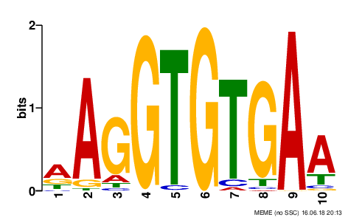
TBX21 | RSV Gamma | (AGT)AGGTGTGAA [JASPR] | Studies in mouse show that Tbx21 protein is a Th1 cell-specific transcription factor that controls the expression of the hallmark Th1 cytokine, interferon-gamma (IFNG). Expression of the human ortholog also correlates with IFNG expression in Th1 and natural killer cells, suggesting a role for this gene in initiating Th1 lineage development from naive Th precursor cells [RefSeq, Jul 2008]. Activates transcription of a set of genes important for Th1 cell function, including those encoding IFN-gamma and the chemokine receptor CXCR3. nhibits the Th2 cell lineage commitment by suppressing the production of Th2 cytokines, such as IL-4, IL-5, and IL- 13, via repression of transcriptional regulators GATA3 and NFATC2. Controls lineage commitment of the two subsets of cytokine-producing helper T cells, Type 1 (Th1) and Type 2 (Th2) (1–3) by simultaneously driving Th1 genetic programs and repressing the development of the opposing Th2 subset. T-bet is principally required for expression of the potent inflammatory cytokine interferon-g (IFN-g), the hallmark of Type 1 immunity, and simultaneous repression of the signature Th2 cytokines interleukin-4 (IL-4) and IL-5 [Glimcher, 2005] | ITK phosphorylates T-bet at residue Y525 after TCR stimulation. ITK facilliated TBX21 binding to GATA3 [Glimcher, 2005]. TBX21 binds IFN-gamma and STAT1 promoters. STAT1 also regulated TBX21 expression (feedforward loop) [Racke, 2004]

